第二階段FlowChart
START

載入EP_TRA報表

L.V.欄位，選擇燈號
※紅=>優先,黃=>次優先,綠=>不重要,Finish

L.V=Finish

選完燈號，導向L.V.&DOE List
Web Page

生成Sateg中Pontential
L.V，提供User選擇L.V

DOE List Table
提供User Key 細項資訊。其中User 能動態生成項目，也能將生成項目刪除

DOE List Table
AVG,MAX,MIN.....判斷DOE是否完成實驗
Y
N

END

Doe_Create_Designer
Start

產生新的DOE實驗規格
TRA Lv 燈號辨別

條件by keyitem(Input Items),stage。
條件by keyitem(Input Items),stage。

查詢此項目是否有Lv.資料存在
查詢出來的項目，能在這些項目裡新增細項，key實驗規格。
填上Result有哪幾項。
Y
N

按下Save，把資料存到npi_eptra_doe table裡(key為filename),如果我前三項沒有填寫(DOE LEGS,Wafer Qn'ty)，就會被認定此資料無效，不儲存。
Lv.5 個數大於查詢資料的一半
直接新增每一筆的Lv. 預設值為Lv.3
N
Y

將燈號設為紅色 ※警戒狀態，為首要實驗項目
將燈號設為黃色

 | 將燈號設為黃色

將結果Save

依照前面的燈號計算結果，傳回EP_Create_Designer頁面，刷新Lv欄位。

END

END

Phase2 FlowChart
Start

※npieptraver_main table==>
seting status='N'
npi_eptra_lv==>
LV_Confirm_Status='NA'

EP_TRA Compare

TRA Lv. 設定
(初始燈號為白燈)

LV_Confirm_Status='Reject'
Reject

Lv .Query 的查詢條件為
LV_Confirm_Status(Na、Rec、Acc)
key為version，查詢完之後，跑出每個版本的資訊，View能觀看整個版本的Lv燈號，再把Keyitem,stage,input_item三個條件帶入到設定Lv.的網頁，做Lv.的設定，確定送出後，回到EP_TRA報表主頁，更改燈號。

LV_Confirm_Status='NA'

審核TRA Lv 是否被簽核(EPTRA_LV_Singoff)

Lv.Query

Accept

DOE_Confirm_Status='Reject'
查詢條件
LV_Confirm_Status=> Acc And DOE_Confirm_Status =""
送出，設定DOE實驗，將
DOE_Confirm_Status='NA'

DOE_設計

Reject

DOE_Confirm_Status='NA'

DOE簽核(EPTRA_DOE_Singoff)

DOE Query

Accept

DOE_實驗_Result_填寫
送出 實驗完成
將此項Lv.燈號改為
綠燈
END

LV Signoff
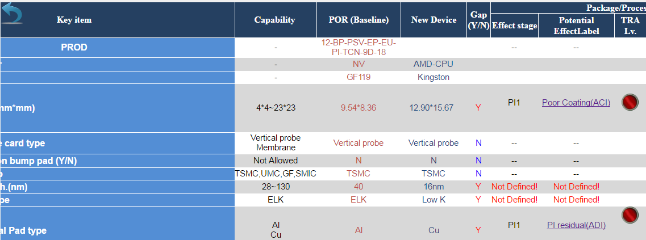
EPTRA_LV_Singoff.aspx
 | LV Table
 | LV_Confirm Status | NA/Rej/Acc

LV Seting
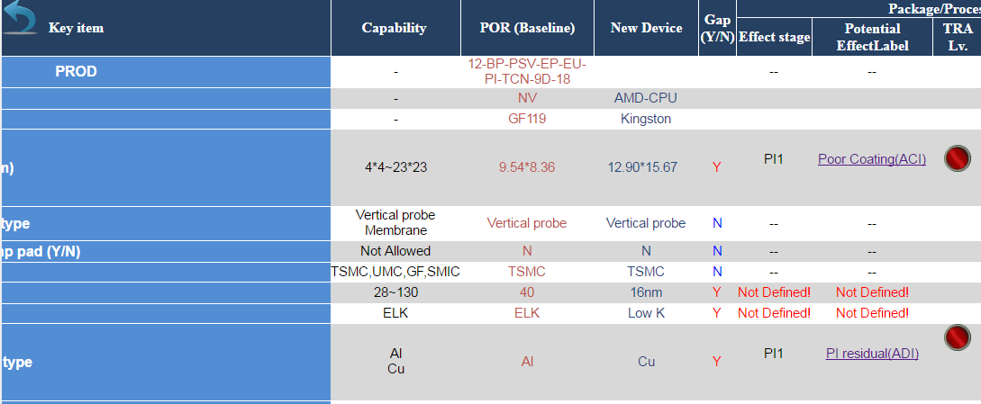
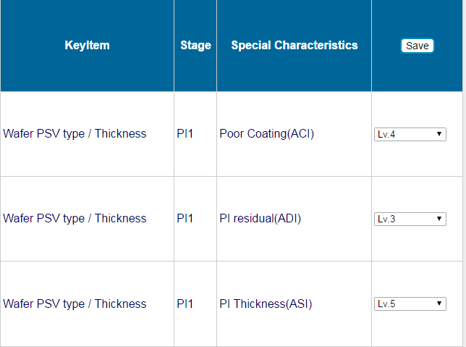
EPTRA_LV_Setting.aspx
EPTRA |  | 燈號說明: W-尚未設定/G/R/Y
LV_Setting_Status | N/Y | 當設定完畢送出後->修改LV_Setting_Status=>Y,LV_Confirm_Status=>NA

LV_Query
EPTRA_LV_Query.aspx

 | 查詢條件是: LV_Confirm_Status=> NA/Rej/Acc(只有Rej可以被修改)

EPTRA LV Modify

 | Status | Verison | User Name | SignoffName | 查出來是否為細項
 | Rej | AAA |  | CDS
 | Acc | BB |  | ABC
 | 待簽核 | CCC

修改送出後,修改LV_Confirm_Status=>NA

Sheet5
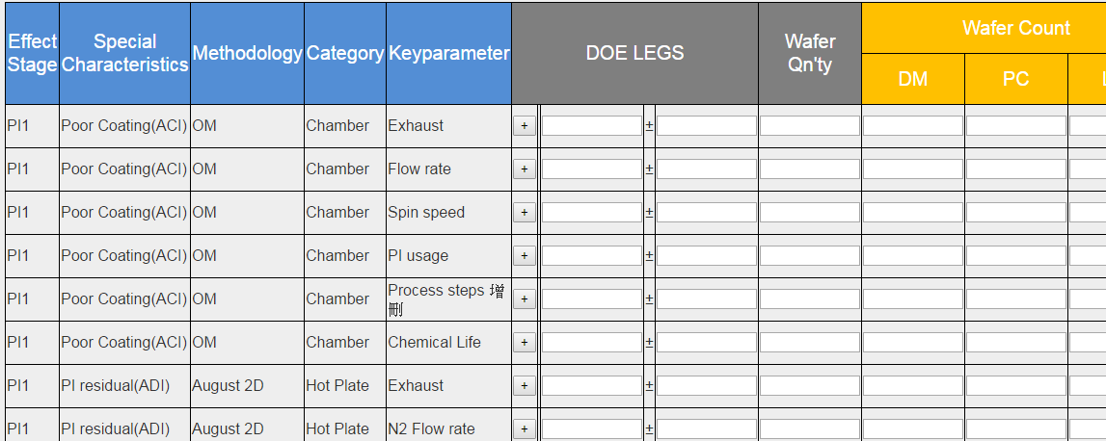
EPTRA_DOE_Setting.aspx

 | 查詢條件是:LV_Confirm_Status=> Acc , DOE_Confirm_Status =""
 | 完成設定送出後
 | DOE_Confirm_Status=>NA/Rej/Acc

